Daskboard
MBM University Placement Chart Sheet Analysis

MBM University
Placement cell
Data Analysis
Companies That Recruit The Students At highest packages
 | Total
Alepo Technologies Inc. | 85.5
AppPerfect Corp. | 49.5
Billdesk | 54
BYJU's | 38
Cairn Oil & Gas | 117.29
Capegemini | 57
Gainwell India | 48
GR Infraprojects Ltd. (GRIL) | 71.73
Hindustan Zinc Ltd. - Vedanta Group | 47.7
HLS Asia | 100.5
Infosys | 38.6
JSW - Energy | 60
MiniOrange | 193.5
MTX | 45.5
NBC Bearings | 40.6
Optum, Inc. | 50.05
PlanetSpark | 39
Pratham Software | 112.75
Pratham Softwares | 62.5
Skilrock Technologies | 222.8
Solar Industries | 40
Tata Steel | 31.15
TCS | 94.36
TCS(DIGITAL) | 106.6
TCS(NINJA) | 70
Vedanta Ltd. | 214.65
Wonder Cement | 51.8
highest placement in branch
 | Total
Architectur e | 6
BCT | 19
CHE | 88.02
Chemical | 46.65
CIV | 132.15
CSE | 550.12
ECC | 369.13
ECE | 118.2
EE | 43.06
EEE | 115.41
EEL | 62.85
ELE | 66.36
IT | 435.79
ITE | 126.9
MCA | 112.6
MEC | 185.74
MECH | 83.16
MIN | 248
PIE | 64.85
(blank) | 13.25

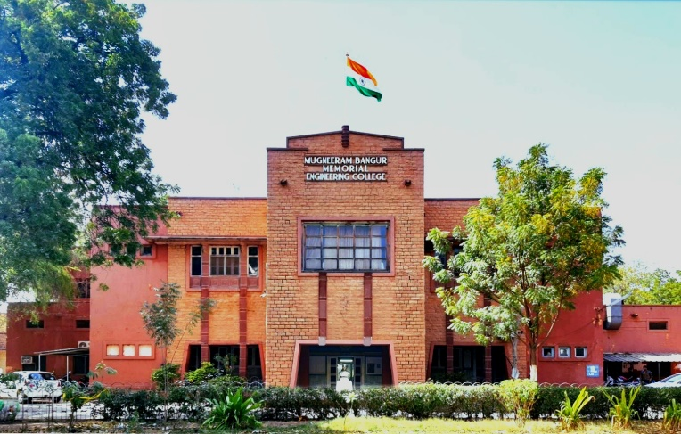

Companies That Recruit The Highset numberof Students
 | Total
Adani | 2
Adobe | 1
Alepo Technologies Inc. | 8
Allen Kota | 2
Almondz Global Infra | 6
AppPerfect Corp. | 4
Ashok Leyland | 1
Avanti Fellows | 2
Billdesk | 5
Cadence Design Systems, Noida | 1
Cairn Oil & Gas | 2
Career Point | 1
GR Infraprojects Ltd. (GRIL) | 7
Gridbots | 4
HLS Asia | 8
Inception guide | 1
Infosys | 1
Jaro Education | 2
JK Cement | 2
JSW - Energy | 6
Metacubes Software Pvt. Ltd. | 3
MiniOrange | 11
MTX | 4
NBC Bearings | 3
Pinnacle Infotech | 3
Pixere Consulting | 8
Pratham Software | 11
R.K Marble | 4
Sarda Group, Pali | 6
Skilrock Technologies | 23
Solar Industries | 10
Tayana Software | 2
TCS(DIGITAL) | 26
THE TECH BRIDGE | 1
Uttam Galva | 1
Vedanta Ltd. | 18
Wipro | 1
Wonder Cement | 4
xooa | 2
Package amount Offer in Every Branch
 | Total
Architectur e | 6
BCT | 14
Chemical | 46.65
CIV | 39.45
CSE | 163.3
ECC | 173.55
ECE | 62.4
EEE | 66.05
EEL | 62.85
ITE | 126.9
MCA | 45.3
MEC | 91.1
MIN | 71.7
PIE | 21.7
(blank) | 9.75
BCT | 5
CHE | 39
CIV | 53.5
CSE | 143.85
ECC | 118.2
ECE | 22
EE | 43.06
EEE | 19
IT | 231.4
MCA | 31
MECH | 83.16
MIN | 88.36
PIE | 12.8
(blank) | 3.5
CHE | 49.02
CIV | 39.2
CSE | 242.97
ECC | 77.38
ECE | 33.8
EEE | 30.36
ELE | 66.36
IT | 204.39
MCA | 36.3
MEC | 94.64
MIN | 87.94
PIE | 30.35

